Tip Sheet
Metro Program Graphic Templates
Within these tabs you’ll find Metro’s new graphic templates. These are designed primarily for web and “Brookings blue” reports, but should be used for all handoffs. To use the templates, simply input your information and data, then handoff the Excel sheet(s) as is. A table template is also included. Here are some tips for creating solid graphics:
Labels: Only label graphics with “Figure 1, 2, etc.” when there are multiple figures referenced in the text.
Titles: The title field should be used to describe what is being shown and/or provide an interpretation of the data. An interpretation or policy recommendation is especially helpful for social media use. It is perfectly acceptable to provide two graphics, one for the blog/report and one for social media. See tabs 3 and 5 for further examples!
Sub-titles: Sub-titles should be used to indicate time period, geography, or details that are more relevant than in the source line. Source should only reflect the source itself (e.g. “Brookings Analysis of Moody’s Analytics” or “Census Bureau”).
Communicating information: As a general rule, you only need to include information once. For example, if you include a time period in the subtitle, it isn’t necessary to include it in the legend.

map 1
Title
The majority of U.S. metro areas have low startup complexity

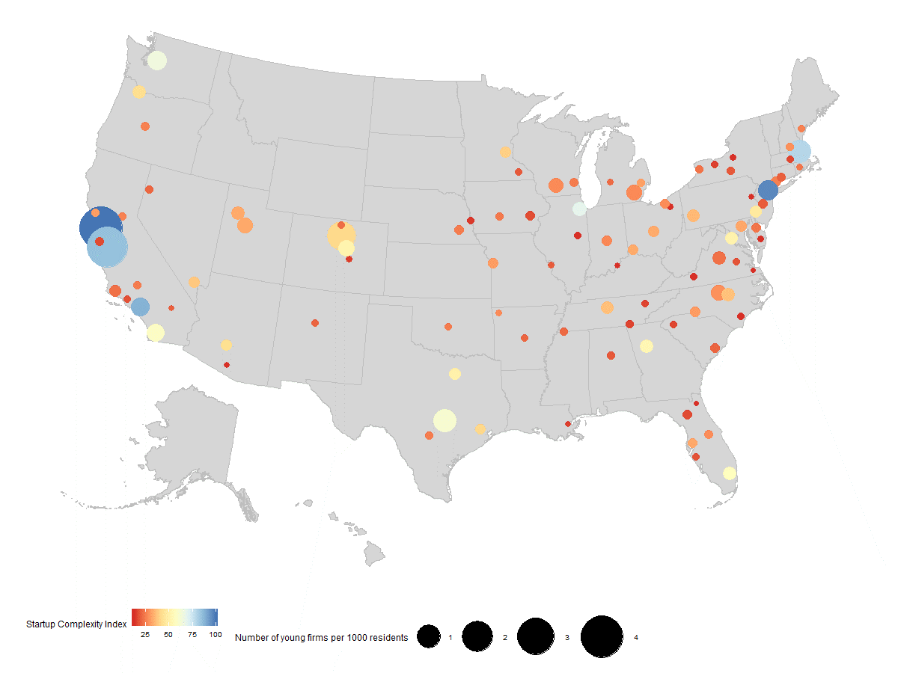
Source
source: Brookings analysis of Crunchbase data

Data
 | cbsa_code | cbsa_name | pc_firms | SCI_adjusted
1 | 41860 | San Francisco-Oakland-Berkeley, CA | 4.2 | 100
2 | 35620 | New York-Newark-Jersey City, NY-NJ-PA | 0.7 | 96
3 | 31080 | Los Angeles-Long Beach-Anaheim, CA | 0.5 | 88
4 | 41940 | San Jose-Sunnyvale-Santa Clara, CA | 3.7 | 85
5 | 14460 | Boston-Cambridge-Newton, MA-NH | 1.0 | 79
6 | 16980 | Chicago-Naperville-Elgin, IL-IN-WI | 0.2 | 68
7 | 42660 | Seattle-Tacoma-Bellevue, WA | 0.6 | 64
8 | 12420 | Austin-Round Rock-Georgetown, TX | 0.9 | 61
9 | 41740 | San Diego-Chula Vista-Carlsbad, CA | 0.5 | 58
10 | 33100 | Miami-Fort Lauderdale-Pompano Beach, FL | 0.2 | 56
11 | 12060 | Atlanta-Sandy Springs-Alpharetta, GA | 0.2 | 53
12 | 19740 | Denver-Aurora-Lakewood, CO | 0.4 | 51
13 | 47900 | Washington-Arlington-Alexandria, DC-VA-MD-WV | 0.2 | 50
14 | 19100 | Dallas-Fort Worth-Arlington, TX | 0.2 | 50
15 | 37980 | Philadelphia-Camden-Wilmington, PA-NJ-DE-MD | 0.2 | 46
16 | 38060 | Phoenix-Mesa-Chandler, AZ | 0.1 | 42
17 | 38900 | Portland-Vancouver-Hillsboro, OR-WA | 0.2 | 42
18 | 14500 | Boulder, CO | 1.7 | 40
19 | 26420 | Houston-The Woodlands-Sugar Land, TX | 0.1 | 40
20 | 33460 | Minneapolis-St. Paul-Bloomington, MN-WI | 0.1 | 38
21 | 29820 | Las Vegas-Henderson-Paradise, NV | 0.1 | 37
22 | 39580 | Raleigh-Cary, NC | 0.2 | 36
23 | 34980 | Nashville-Davidson--Murfreesboro--Franklin, TN | 0.2 | 36
24 | 38300 | Pittsburgh, PA | 0.2 | 34
25 | 18140 | Columbus, OH | 0.1 | 32
26 | 17140 | Cincinnati, OH-KY-IN | 0.1 | 32
27 | 41620 | Salt Lake City, UT | 0.2 | 32
28 | 39340 | Provo-Orem, UT | 0.4 | 31
29 | 45300 | Tampa-St. Petersburg-Clearwater, FL | 0.1 | 31
30 | 12580 | Baltimore-Columbia-Towson, MD | 0.1 | 31
31 | 19820 | Detroit-Warren-Dearborn, MI | 0.0 | 30
32 | 42220 | Santa Rosa-Petaluma, CA | 0.0 | 30
33 | 28140 | Kansas City, MO-KS | 0.1 | 29
34 | 16740 | Charlotte-Concord-Gastonia, NC-SC | 0.1 | 29
35 | 31700 | Manchester-Nashua, NH | 0.0 | 27
36 | 20500 | Durham-Chapel Hill, NC | 0.3 | 27
37 | 17460 | Cleveland-Elyria, OH | 0.1 | 27
38 | 36740 | Orlando-Kissimmee-Sanford, FL | 0.1 | 27
39 | 31540 | Madison, WI | 0.3 | 26
40 | 22220 | Fayetteville-Springdale-Rogers, AR | 0.0 | 26
41 | 11460 | Ann Arbor, MI | 0.3 | 26
42 | 26900 | Indianapolis-Carmel-Anderson, IN | 0.1 | 26
43 | 40900 | Sacramento-Roseville-Folsom, CA | 0.0 | 25
44 | 13460 | Bend, OR | 0.0 | 25
45 | 38860 | Portland-South Portland, ME | 0.0 | 25
46 | 14860 | Bridgeport-Stamford-Norwalk, CT | 0.1 | 24
47 | 41700 | San Antonio-New Braunfels, TX | 0.0 | 24
48 | 12540 | Bakersfield, CA | 0.0 | 24
49 | 36420 | Oklahoma City, OK | 0.0 | 24
50 | 30700 | Lincoln, NE | 0.1 | 24
51 | 33340 | Milwaukee-Waukesha, WI | 0.1 | 24
52 | 19780 | Des Moines-West Des Moines, IA | 0.0 | 23
53 | 39300 | Providence-Warwick, RI-MA | 0.0 | 23
54 | 20100 | Dover, DE | 0.1 | 22
55 | 15380 | Buffalo-Cheektowaga, NY | 0.0 | 22
56 | 42200 | Santa Maria-Santa Barbara, CA | 0.1 | 22
57 | 16820 | Charlottesville, VA | 0.2 | 22
58 | 22660 | Fort Collins, CO | 0.0 | 21
59 | 24340 | Grand Rapids-Kentwood, MI | 0.0 | 21
60 | 32820 | Memphis, TN-MS-AR | 0.0 | 20
61 | 39900 | Reno, NV | 0.0 | 20
62 | 30780 | Little Rock-North Little Rock-Conway, AR | 0.0 | 20
63 | 16700 | Charleston-North Charleston, SC | 0.1 | 20
64 | 10740 | Albuquerque, NM | 0.0 | 20
65 | 35300 | New Haven-Milford, CT | 0.1 | 19
66 | 39100 | Poughkeepsie-Newburgh-Middletown, NY | 0.0 | 19
67 | 40140 | Riverside-San Bernardino-Ontario, CA | 0.0 | 19
68 | 45940 | Trenton-Princeton, NJ | 0.1 | 18
69 | 41180 | St. Louis, MO-IL | 0.0 | 18
70 | 27060 | Ithaca, NY | 0.0 | 18
71 | 40340 | Rochester, MN | 0.0 | 18
72 | 13820 | Birmingham-Hoover, AL | 0.0 | 18
73 | 40060 | Richmond, VA | 0.0 | 17
74 | 35840 | North Port-Sarasota-Bradenton, FL | 0.0 | 17
75 | 37100 | Oxnard-Thousand Oaks-Ventura, CA | 0.0 | 17
76 | 26980 | Iowa City, IA | 0.1 | 16
77 | 23540 | Gainesville, FL | 0.1 | 16
78 | 42100 | Santa Cruz-Watsonville, CA | 0.0 | 16
79 | 49340 | Worcester, MA-CT | 0.0 | 15
80 | 24860 | Greenville-Anderson, SC | 0.0 | 15
81 | 16860 | Chattanooga, TN-GA | 0.0 | 15
82 | 28940 | Knoxville, TN | 0.0 | 15
83 | 35380 | New Orleans-Metairie, LA | 0.0 | 14
84 | 40380 | Rochester, NY | 0.0 | 14
85 | 17820 | Colorado Springs, CO | 0.0 | 14
86 | 36540 | Omaha-Council Bluffs, NE-IA | 0.0 | 13
87 | 10900 | Allentown-Bethlehem-Easton, PA-NJ | 0.0 | 12
88 | 16580 | Champaign-Urbana, IL | 0.0 | 12
89 | 27260 | Jacksonville, FL | 0.0 | 12
90 | 31140 | Louisville/Jefferson County, KY-IN | 0.0 | 12
91 | 46060 | Tucson, AZ | 0.0 | 12
92 | 10420 | Akron, OH | 0.0 | 12
93 | 13980 | Blacksburg-Christiansburg, VA | 0.0 | 12
94 | 14580 | Bozeman, MT | 0.0 | 12
95 | 25720 | Heber, UT | 0.1 | 12
96 | 41540 | Salisbury, MD-DE | 0.0 | 12
97 | 45060 | Syracuse, NY | 0.0 | 12
98 | 47260 | Virginia Beach-Norfolk-Newport News, VA-NC | 0.0 | 12
99 | 48900 | Wilmington, NC | 0.0 | 12

chart 1
Higher SCI is associated with higher wages, income, and productivity
Correlation coefficients between
Title
Enter your title here
Higher SCI is associated with higher wages, income, and productivity

Sub-Title
Enter your sub title here
Correlation coefficients between

Data
 | Share of bachelor's degree and above | Patent Complexity Index | Startup Complexity Index
Average annual wage | 0.43 | 0.68 | 0.73
Median income | 0.40 | 0.52 | 0.60
Output per job | 0.31 | 0.62 | 0.72

Source
Enter your source here
Source: Brookings analysis of Crunchbase data

Source: Brookings analysis of Crunchbase data

